7.GUI tools-monitor process
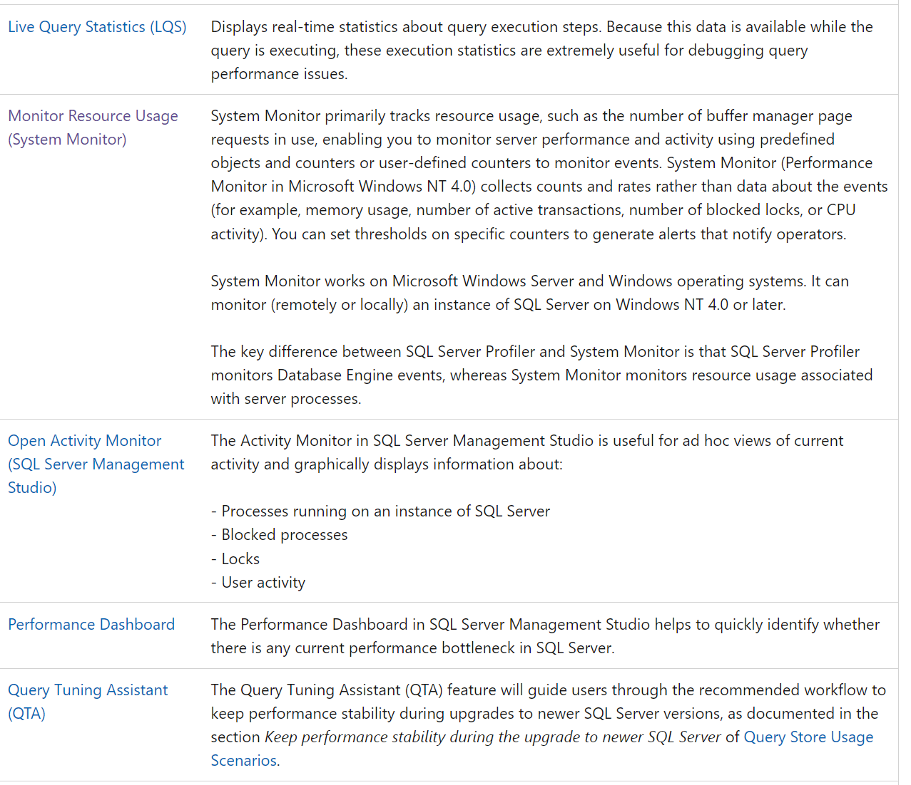
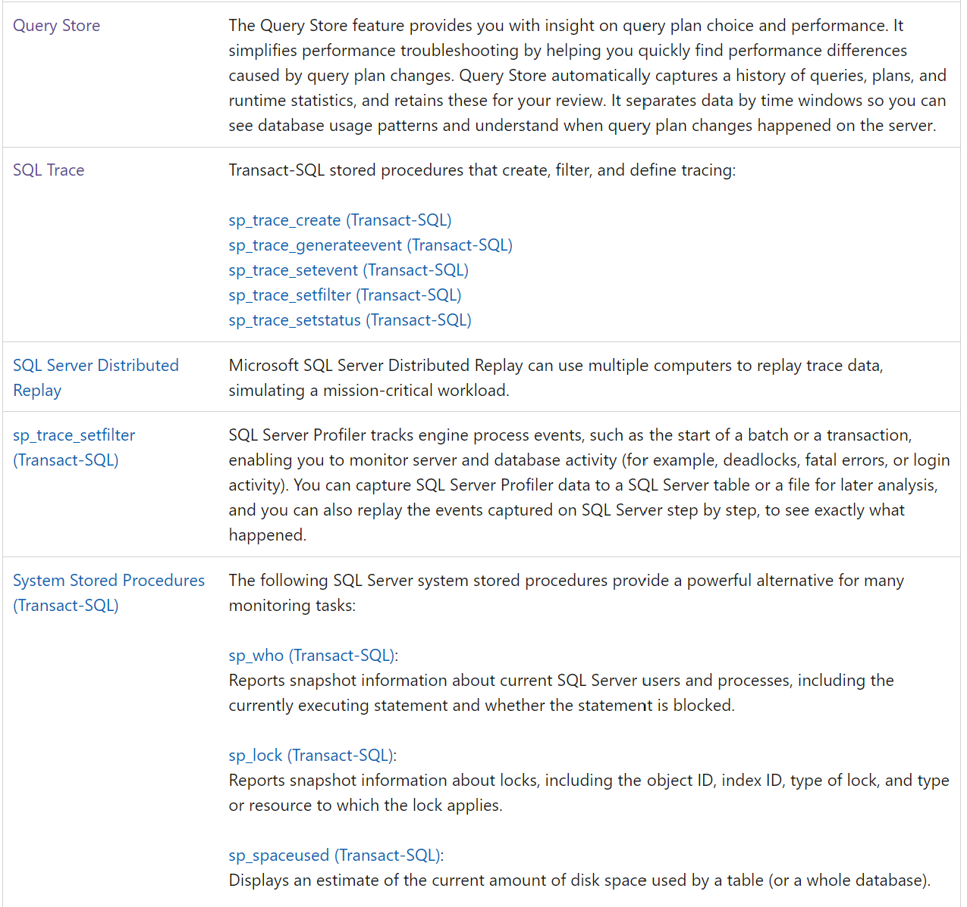
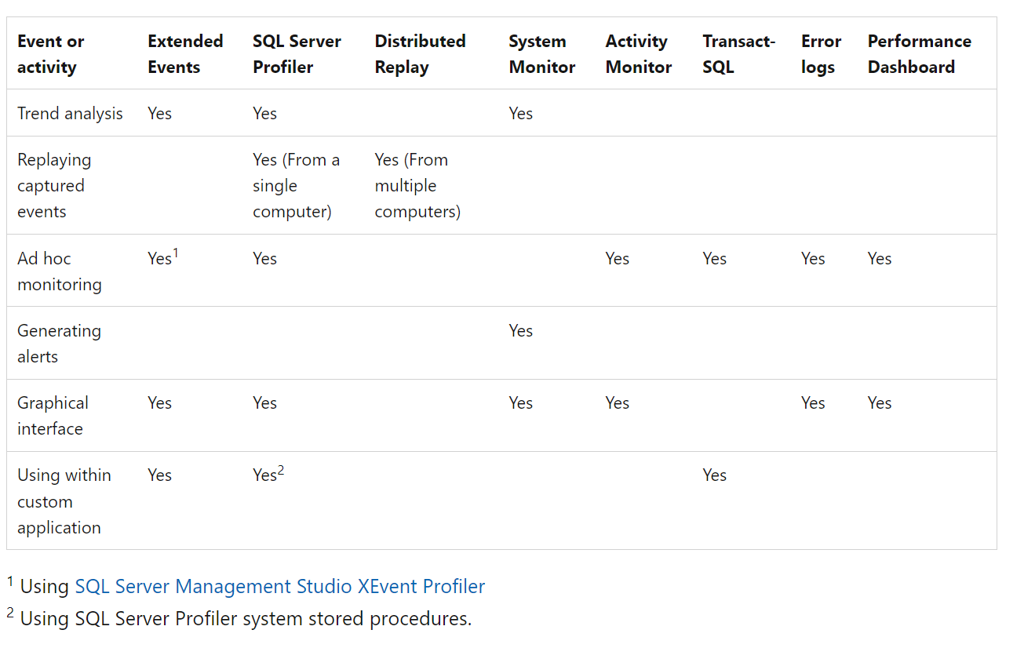
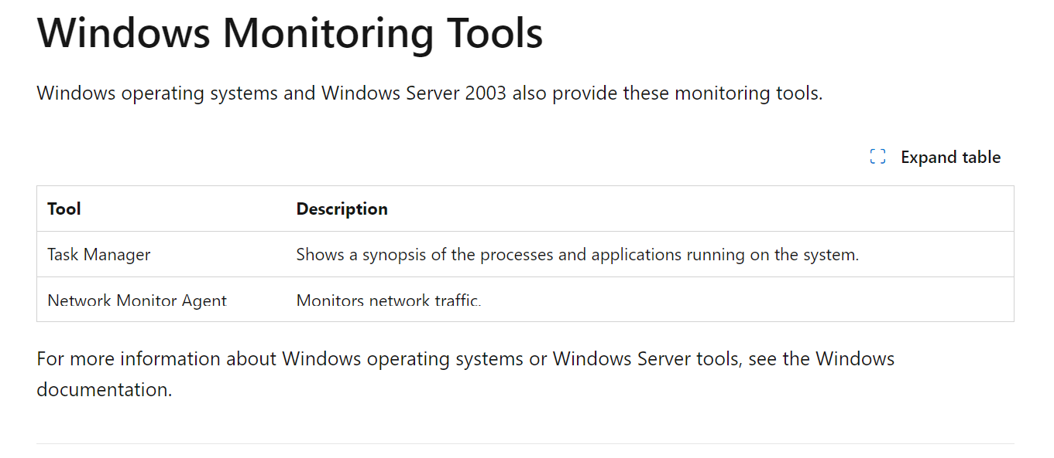
7. What are GUI tools (not Query Store) provided by SQL Server to see long running database process and get if it’s complied object or ad-hoc |  | Key questions from David Shen from North Rock & found answers.docx

https://learn.microsoft.com/en-us/sql/relational-databases/performance/performance-monitoring-and-tuning-tools?view=sql-server-ver16

Following are the SQL Server monitoring and tuning tools:
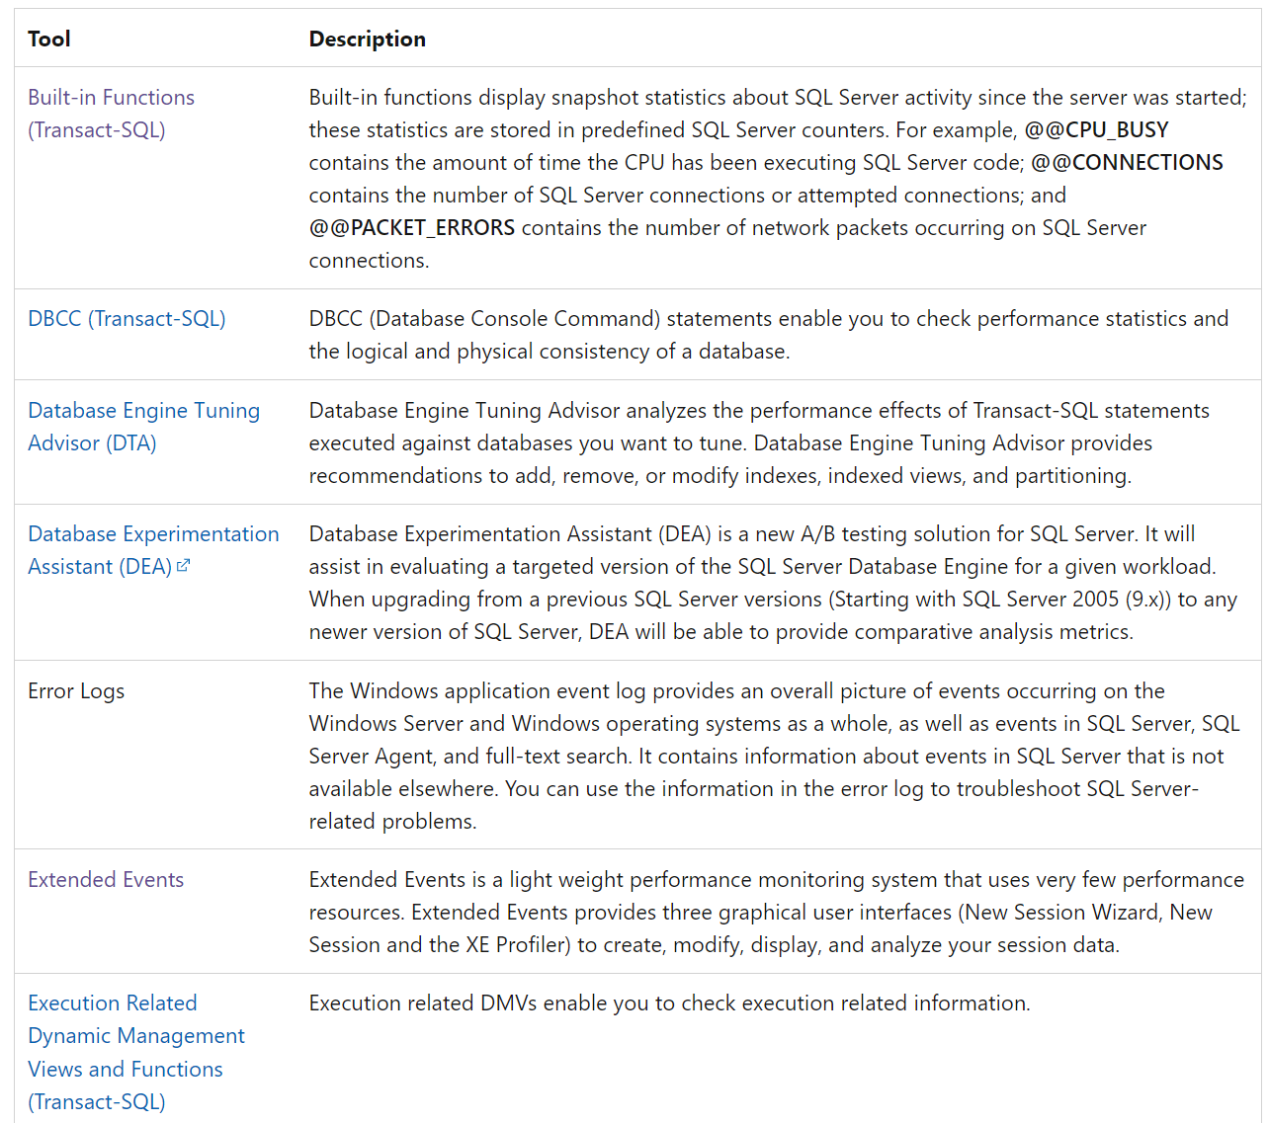

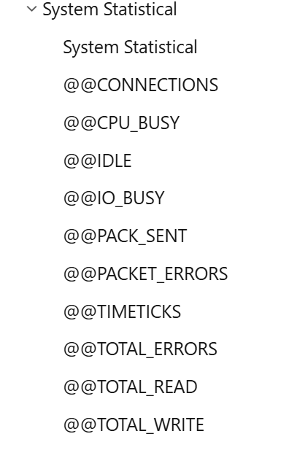
 | 8

 |  |  | tools: Run -> perfmon- specific Performance monitor counters
 |  |  | Counters that measure I/O latency in Windows are Avg Disk sec/ Read , Avg. Disk sec/Write and Avg. Disk sec/Transfer (cumulative of both reads and writes)
 |  |  | SQL Server uses Wait Types to indicate I/O waits at different places in the product. Examples of such waits are PAGEIOLATCH_SH, PAGEIOLATCH_EX, WRITELOG, IO_COMPLETION.
 |  |  | If these waits exceed 10-15 ms on a consistent basis, then I/O is considered a bottleneck.

 |  |  | https://learn.microsoft.com/en-us/sql/relational-databases/performance/performance-dashboard?view=sql-server-ver16#to-view-the-performance-dashboard
 |  |  | Performance Dashboard helps to quickly identify whether SQL Server or Azure SQL Database is experiencing a performance bottleneck.

 |  |  | Microsoft® Database Experimentation Assistant 2.6 is using Microsoft Copilot
 |  |  | Database Experimentation Assistant (DEA) is a new A/B testing solution for SQL Server upgrades.
 |  |  | It will assist in evaluating a targeted version of SQL for a given workload.

Security,audit
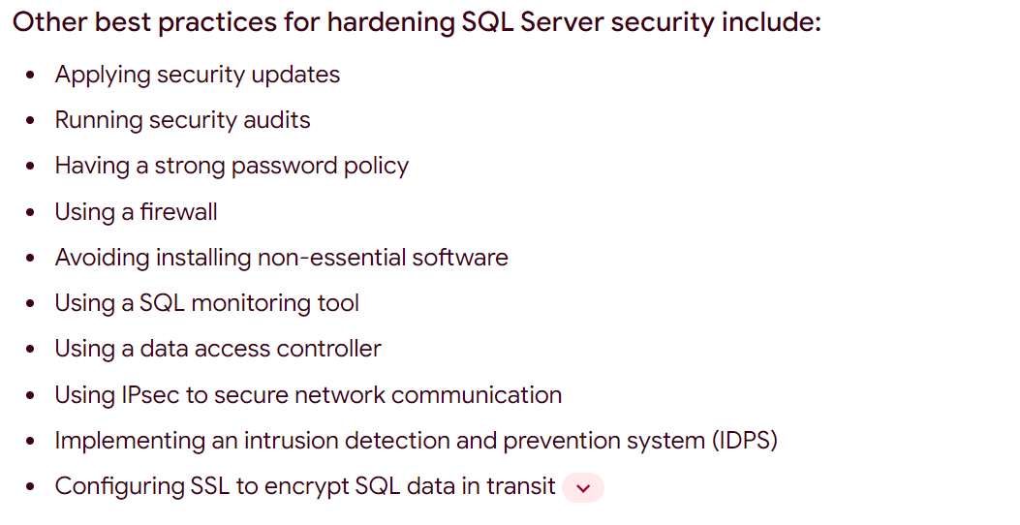
https://learn.microsoft.com/en-us/sql/relational-databases/security/sql-server-security-best-practices?view=sql-server-ver16
SQL Server security best practices

https://learn.microsoft.com/en-us/sql/relational-databases/security/auditing/sql-server-audit-database-engine?view=sql-server-ver16
SQL Server Audit (Database Engine)

